Info
Skrevet af: | Ivan Bork

Oprettet den: | 2025-11-29

At visualisere belægningsgraden på Skolehjem, pr. uge, Bygning og Lokale
Formål:

Z170a Udskrift, vælg periode - det kan anbefales at bruge Skoleår eller Finansår
I tilfælde af at der kar været dobbelt booket (overlappende dage) tælle alle med i både tæller og nævner
Metode:

Datakilder 1 | Lokalt lagret på siden Rådata, men det anbefales at ændre dette til en CSV fil laget på OneDrive eller Filkartotget, og lave et link til denne fil

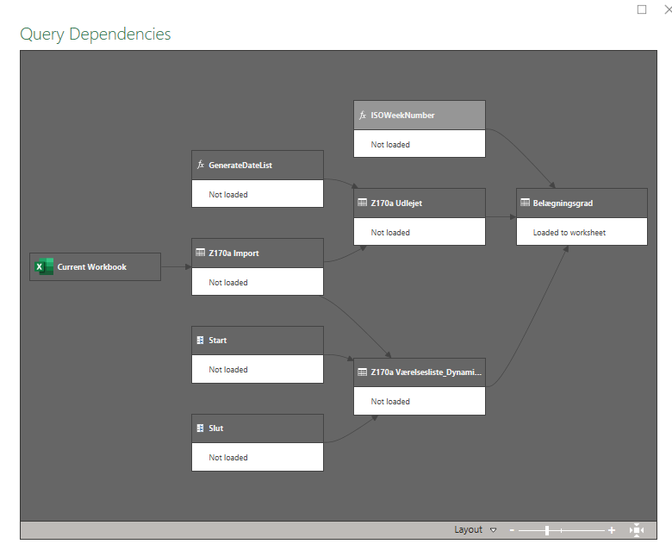
Billed dokumentation:

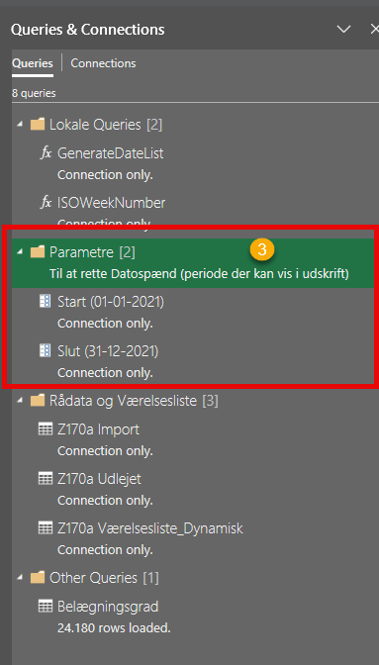
Når data er importeret, skal der på siden "Data" vælges "Queries & Connections" dette vil åbne en fane i høje side af skærmen, her skal datoerne for start og slut af den periode den ønskes vist tastes.
Derefter klikkes der på "Refresh All"

Pivot Udskrift
Udlejnings oversigt pr. bugning, uge 33 - 52
 | Total
102 | 0%
100 | 56%

Sum of Udlenings%
 | 33 | 34 | 35 | 36 | 37 | 38 | 39 | 40 | 41 | 42 | 43 | 44 | 45 | 46 | 47 | 48 | 49 | 50 | 51 | 52 | Grand Total
100
5101 | 100% | 100% | 100% | 100% | 100% | 100% | 100% | 100% | 100% | 100% | 100% | 100% | 100% | 100% | 100% | 100% | 100% | 100% | 100% | 100% | 100%
5102 | 100% | 100% | 100% | 100% | 100% | 100% | 100% | 100% | 100% | 100% | 100% | 100% | 100% | 100% | 100% | 100% | 100% | 100% | 100% | 100% | 100%
5103 | 100% | 100% | 100% | 100% | 100% | 100% | 100% | 100% | 100% | 100% | 100% | 100% | 100% | 100% | 100% | 100% | 100% | 100% | 100% | 100% | 100%
5104 | 100% | 100% | 100% | 100% | 100% | 100% | 100% | 100% | 100% | 100% | 100% | 100% | 100% | 100% | 100% | 100% | 100% | 100% | 100% | 100% | 100%
5105 | 100% | 100% | 100% | 100% | 100% | 100% | 100% | 100% | 100% | 100% | 100% | 100% | 100% | 100% | 100% | 100% | 100% | 100% | 100% | 100% | 100%
5106 | 100% | 100% | 100% | 100% | 100% | 100% | 100% | 100% | 100% | 100% | 100% | 100% | 100% | 100% | 100% | 100% | 100% | 100% | 100% | 100% | 100%
5107 | 100% | 100% | 100% | 100% | 100% | 100% | 100% | 100% | 100% | 100% | 100% | 100% | 100% | 100% | 100% | 100% | 100% | 100% | 100% | 100% | 100%
5108 | 100% | 100% | 100% | 100% | 71% | 100% | 100% | 100% | 100% | 100% | 100% | 100% | 100% | 100% | 100% | 100% | 100% | 100% | 100% | 100% | 99%
5109 | 0% | 0% | 0% | 0% | 43% | 100% | 100% | 100% | 100% | 100% | 100% | 100% | 100% | 100% | 100% | 100% | 100% | 86% | 0% | 0% | 66%
5110 | 100% | 100% | 100% | 100% | 100% | 100% | 100% | 100% | 100% | 100% | 100% | 100% | 100% | 100% | 100% | 100% | 0% | 0% | 0% | 0% | 80%
5111 | 100% | 100% | 100% | 100% | 100% | 100% | 100% | 100% | 100% | 100% | 100% | 100% | 100% | 100% | 100% | 100% | 100% | 71% | 0% | 0% | 89%
5112 | 100% | 100% | 100% | 100% | 100% | 100% | 100% | 100% | 100% | 100% | 100% | 100% | 100% | 100% | 100% | 100% | 100% | 71% | 0% | 0% | 89%
5113 | 100% | 100% | 100% | 100% | 100% | 100% | 100% | 100% | 100% | 100% | 100% | 100% | 100% | 100% | 100% | 100% | 100% | 71% | 0% | 0% | 89%
Udlejnings oversigt, uge 33 - 52
 | Total
33 | 57%
34 | 54%
35 | 53%
36 | 54%
37 | 55%
38 | 57%
39 | 56%
40 | 57%
41 | 72%
42 | 55%
43 | 54%
44 | 53%
45 | 52%
46 | 59%
47 | 65%
48 | 56%
49 | 45%
50 | 46%
51 | 41%
52 | 36%
5114 | 100% | 100% | 100% | 100% | 100% | 100% | 100% | 100% | 100% | 100% | 100% | 100% | 100% | 100% | 100% | 100% | 100% | 71% | 0% | 0% | 89%
5115 | 100% | 100% | 100% | 14% | 100% | 100% | 100% | 100% | 100% | 100% | 100% | 100% | 100% | 100% | 100% | 100% | 0% | 0% | 0% | 0% | 76%
5116 | 100% | 100% | 100% | 100% | 100% | 100% | 100% | 100% | 100% | 100% | 100% | 100% | 100% | 100% | 100% | 100% | 0% | 0% | 0% | 0% | 80%
5303 | 100% | 100% | 100% | 100% | 0% | 0% | 0% | 0% | 0% | 0% | 0% | 0% | 0% | 0% | 0% | 0% | 0% | 0% | 0% | 0% | 20%
5304 | 100% | 29% | 0% | 0% | 0% | 0% | 0% | 14% | 86% | 0% | 0% | 100% | 71% | 0% | 0% | 86% | 100% | 100% | 100% | 100% | 44%
5305 | 100% | 71% | 71% | 100% | 100% | 100% | 100% | 100% | 100% | 100% | 100% | 100% | 100% | 100% | 100% | 100% | 100% | 100% | 100% | 100% | 97%
5306 | 100% | 100% | 100% | 100% | 100% | 100% | 100% | 100% | 100% | 100% | 100% | 100% | 100% | 100% | 100% | 100% | 100% | 100% | 100% | 100% | 100%
5309 | 100% | 100% | 100% | 100% | 100% | 100% | 100% | 100% | 100% | 100% | 100% | 100% | 100% | 100% | 57% | 0% | 0% | 0% | 0% | 0% | 73%
5310 | 50% | 50% | 50% | 50% | 50% | 50% | 50% | 50% | 50% | 50% | 50% | 50% | 50% | 14% | 0% | 0% | 0% | 0% | 0% | 0% | 33%
5311 | 50% | 50% | 50% | 50% | 50% | 50% | 50% | 50% | 50% | 50% | 50% | 50% | 50% | 50% | 50% | 50% | 50% | 50% | 50% | 50% | 50%
5312 | 50% | 50% | 14% | 0% | 50% | 50% | 50% | 50% | 50% | 50% | 50% | 50% | 50% | 50% | 50% | 50% | 50% | 50% | 50% | 50% | 46%
5313 | 100% | 100% | 100% | 43% | 14% | 100% | 100% | 100% | 100% | 100% | 100% | 100% | 100% | 100% | 100% | 100% | 100% | 100% | 100% | 100% | 93%
5314 | 100% | 100% | 100% | 100% | 100% | 100% | 100% | 100% | 100% | 100% | 100% | 100% | 100% | 100% | 100% | 0% | 0% | 0% | 0% | 0% | 75%
5315 | 100% | 100% | 100% | 100% | 100% | 100% | 100% | 100% | 100% | 100% | 100% | 100% | 100% | 100% | 100% | 100% | 100% | 100% | 100% | 100% | 100%
5316 | 100% | 100% | 100% | 100% | 100% | 100% | 100% | 100% | 100% | 100% | 100% | 100% | 100% | 100% | 100% | 100% | 100% | 100% | 100% | 100% | 100%
5501 | 14% | 0% | 0% | 21% | 0% | 0% | 0% | 14% | 86% | 0% | 0% | 0% | 0% | 100% | 71% | 0% | 0% | 0% | 0% | 0% | 15%
5502 | 14% | 0% | 0% | 21% | 0% | 0% | 0% | 14% | 86% | 0% | 0% | 0% | 0% | 100% | 71% | 0% | 0% | 0% | 0% | 0% | 15%
5503 | 14% | 0% | 0% | 0% | 0% | 14% | 0% | 0% | 0% | 0% | 0% | 0% | 0% | 100% | 71% | 0% | 0% | 0% | 0% | 0% | 10%
5504 | 14% | 0% | 0% | 0% | 0% | 14% | 0% | 0% | 0% | 0% | 0% | 0% | 0% | 0% | 100% | 71% | 0% | 0% | 0% | 0% | 10%
5505 | 14% | 0% | 0% | 21% | 0% | 0% | 0% | 14% | 86% | 0% | 0% | 0% | 0% | 50% | 36% | 0% | 0% | 0% | 0% | 0% | 11%
5506 | 14% | 0% | 0% | 21% | 0% | 0% | 0% | 14% | 86% | 0% | 0% | 0% | 0% | 100% | 71% | 0% | 0% | 0% | 0% | 0% | 15%
5507 | 0% | 0% | 0% | 0% | 0% | 0% | 0% | 0% | 0% | 0% | 0% | 0% | 0% | 0% | 0% | 0% | 0% | 0% | 0% | 0% | 0%
5508 | 0% | 0% | 0% | 0% | 0% | 0% | 0% | 0% | 0% | 0% | 0% | 0% | 0% | 0% | 0% | 0% | 0% | 0% | 0% | 0% | 0%
5509 | 50% | 50% | 50% | 50% | 50% | 50% | 50% | 14% | 86% | 0% | 0% | 0% | 0% | 50% | 36% | 0% | 0% | 0% | 0% | 0% | 27%
5510 | 50% | 50% | 50% | 50% | 50% | 50% | 36% | 14% | 86% | 0% | 0% | 0% | 0% | 0% | 0% | 0% | 0% | 0% | 0% | 0% | 22%
5511 | 0% | 0% | 0% | 0% | 0% | 0% | 0% | 0% | 0% | 0% | 0% | 0% | 0% | 0% | 100% | 71% | 0% | 0% | 0% | 0% | 9%
5512 | 0% | 0% | 0% | 0% | 0% | 0% | 0% | 0% | 0% | 0% | 0% | 0% | 0% | 0% | 100% | 71% | 0% | 0% | 0% | 0% | 9%
5513 | 14% | 0% | 0% | 0% | 0% | 0% | 0% | 14% | 86% | 0% | 0% | 0% | 0% | 0% | 100% | 71% | 0% | 0% | 0% | 0% | 14%
5514 | 14% | 0% | 0% | 0% | 0% | 0% | 0% | 14% | 86% | 0% | 0% | 0% | 0% | 0% | 100% | 71% | 0% | 0% | 0% | 0% | 14%
5515 | 14% | 0% | 0% | 0% | 0% | 0% | 0% | 14% | 86% | 0% | 0% | 0% | 0% | 0% | 50% | 36% | 0% | 0% | 0% | 0% | 10%
5516 | 14% | 0% | 0% | 0% | 0% | 0% | 0% | 14% | 86% | 0% | 0% | 0% | 0% | 0% | 0% | 0% | 0% | 0% | 0% | 0% | 6%
5701 | 100% | 100% | 100% | 100% | 100% | 100% | 100% | 100% | 100% | 100% | 100% | 100% | 100% | 100% | 100% | 100% | 100% | 100% | 100% | 100% | 100%
5702 | 100% | 100% | 100% | 100% | 100% | 100% | 100% | 100% | 100% | 100% | 100% | 100% | 100% | 100% | 100% | 100% | 100% | 100% | 100% | 100% | 100%
5703 | 0% | 0% | 0% | 0% | 14% | 43% | 29% | 0% | 71% | 100% | 29% | 0% | 0% | 0% | 0% | 43% | 14% | 43% | 29% | 0% | 21%
5704 | 0% | 0% | 0% | 0% | 14% | 43% | 29% | 0% | 71% | 0% | 0% | 0% | 71% | 0% | 0% | 43% | 14% | 43% | 29% | 0% | 18%
5705 | 100% | 100% | 100% | 100% | 100% | 100% | 100% | 100% | 100% | 100% | 100% | 100% | 100% | 100% | 100% | 100% | 100% | 100% | 100% | 100% | 100%
5706 | 100% | 100% | 100% | 100% | 100% | 100% | 100% | 100% | 100% | 100% | 100% | 100% | 100% | 100% | 100% | 100% | 100% | 100% | 100% | 100% | 100%
5707 | 0% | 0% | 0% | 0% | 0% | 0% | 0% | 0% | 0% | 0% | 0% | 0% | 0% | 0% | 0% | 0% | 0% | 0% | 0% | 0% | 0%
5708 | 100% | 100% | 100% | 100% | 100% | 100% | 100% | 100% | 100% | 100% | 100% | 100% | 100% | 100% | 100% | 100% | 100% | 100% | 100% | 100% | 100%
5709 | 100% | 71% | 0% | 100% | 100% | 100% | 100% | 100% | 100% | 100% | 100% | 100% | 100% | 100% | 100% | 100% | 100% | 100% | 100% | 100% | 94%
5710 | 100% | 100% | 100% | 100% | 100% | 100% | 100% | 100% | 100% | 100% | 100% | 100% | 100% | 100% | 100% | 100% | 100% | 100% | 100% | 100% | 100%
5711 | 0% | 0% | 0% | 0% | 100% | 71% | 0% | 0% | 71% | 0% | 0% | 0% | 0% | 0% | 0% | 43% | 14% | 43% | 29% | 0% | 19%
5712 | 0% | 0% | 0% | 0% | 0% | 0% | 0% | 0% | 71% | 0% | 0% | 0% | 0% | 0% | 0% | 43% | 14% | 43% | 29% | 0% | 10%
5713 | 0% | 0% | 0% | 0% | 0% | 0% | 0% | 0% | 0% | 100% | 100% | 100% | 100% | 100% | 100% | 100% | 100% | 100% | 71% | 0% | 49%
5714 | 0% | 0% | 0% | 100% | 100% | 100% | 100% | 100% | 100% | 100% | 100% | 100% | 100% | 100% | 100% | 100% | 100% | 100% | 100% | 100% | 85%
5715 | 100% | 100% | 100% | 100% | 100% | 100% | 100% | 100% | 100% | 100% | 100% | 71% | 0% | 100% | 100% | 100% | 100% | 100% | 71% | 0% | 87%
5716 | 100% | 100% | 100% | 100% | 100% | 100% | 100% | 100% | 100% | 100% | 100% | 100% | 100% | 100% | 100% | 100% | 100% | 100% | 100% | 100% | 100%
5901 | 100% | 100% | 100% | 100% | 100% | 100% | 100% | 100% | 100% | 100% | 100% | 100% | 100% | 100% | 100% | 100% | 100% | 100% | 100% | 100% | 100%
5902 | 71% | 100% | 100% | 100% | 100% | 100% | 100% | 100% | 100% | 100% | 100% | 100% | 100% | 100% | 100% | 100% | 100% | 100% | 100% | 100% | 99%
5903 | 100% | 100% | 100% | 100% | 100% | 100% | 100% | 29% | 86% | 100% | 71% | 0% | 0% | 0% | 0% | 0% | 0% | 0% | 0% | 0% | 49%
5904 | 100% | 100% | 100% | 100% | 100% | 100% | 100% | 100% | 100% | 100% | 100% | 100% | 100% | 100% | 100% | 100% | 100% | 100% | 100% | 100% | 100%
5905 | 100% | 100% | 100% | 100% | 100% | 100% | 100% | 100% | 100% | 100% | 100% | 100% | 100% | 100% | 100% | 100% | 100% | 100% | 100% | 100% | 100%
5906 | 100% | 100% | 100% | 100% | 43% | 0% | 0% | 0% | 43% | 100% | 100% | 100% | 71% | 0% | 0% | 0% | 0% | 100% | 71% | 0% | 51%
5907 | 100% | 100% | 100% | 0% | 0% | 0% | 0% | 100% | 71% | 0% | 0% | 0% | 0% | 0% | 0% | 0% | 0% | 0% | 0% | 0% | 24%
5908 | 100% | 100% | 100% | 0% | 0% | 0% | 0% | 14% | 86% | 0% | 0% | 0% | 0% | 0% | 0% | 0% | 0% | 0% | 0% | 0% | 20%
5909 | 0% | 0% | 0% | 0% | 0% | 0% | 0% | 0% | 0% | 0% | 0% | 0% | 0% | 0% | 0% | 0% | 0% | 0% | 0% | 0% | 0%
5910 | 100% | 100% | 100% | 100% | 100% | 100% | 100% | 86% | 86% | 100% | 100% | 100% | 100% | 71% | 0% | 0% | 0% | 0% | 0% | 0% | 67%
5911 | 100% | 100% | 100% | 100% | 100% | 100% | 100% | 100% | 100% | 100% | 100% | 100% | 100% | 100% | 100% | 100% | 100% | 100% | 100% | 100% | 100%
5912 | 43% | 100% | 100% | 100% | 43% | 0% | 0% | 14% | 86% | 0% | 0% | 0% | 0% | 0% | 0% | 0% | 0% | 0% | 0% | 0% | 24%
5913 | 100% | 100% | 100% | 100% | 100% | 100% | 100% | 100% | 100% | 100% | 100% | 100% | 100% | 100% | 100% | 100% | 100% | 100% | 100% | 100% | 100%
5914 | 0% | 0% | 0% | 14% | 100% | 100% | 100% | 100% | 43% | 0% | 57% | 100% | 100% | 100% | 100% | 100% | 0% | 0% | 0% | 0% | 51%
5915 | 50% | 50% | 50% | 50% | 50% | 50% | 50% | 50% | 50% | 50% | 50% | 50% | 50% | 50% | 50% | 50% | 50% | 50% | 50% | 50% | 50%
5916 | 100% | 100% | 100% | 100% | 100% | 100% | 100% | 100% | 100% | 100% | 100% | 100% | 100% | 100% | 100% | 100% | 100% | 100% | 100% | 100% | 100%
6101 | 0% | 0% | 0% | 100% | 100% | 100% | 100% | 100% | 100% | 100% | 100% | 100% | 100% | 100% | 100% | 100% | 100% | 100% | 100% | 100% | 85%
6102 | 100% | 100% | 100% | 100% | 100% | 100% | 100% | 100% | 100% | 100% | 100% | 100% | 100% | 100% | 100% | 100% | 100% | 100% | 100% | 100% | 100%
6103 | 100% | 100% | 100% | 100% | 100% | 100% | 100% | 100% | 100% | 100% | 100% | 100% | 100% | 100% | 100% | 100% | 100% | 100% | 100% | 100% | 100%
6104 | 100% | 100% | 100% | 100% | 100% | 100% | 100% | 100% | 71% | 0% | 0% | 0% | 0% | 0% | 0% | 0% | 0% | 0% | 0% | 0% | 44%
6105 | 100% | 100% | 100% | 100% | 100% | 100% | 100% | 100% | 100% | 100% | 100% | 0% | 0% | 0% | 0% | 0% | 0% | 0% | 0% | 0% | 55%
6106 | 0% | 0% | 0% | 71% | 100% | 100% | 100% | 100% | 100% | 100% | 100% | 100% | 100% | 100% | 71% | 0% | 0% | 0% | 0% | 0% | 57%
6107 | 100% | 100% | 100% | 100% | 100% | 100% | 100% | 100% | 100% | 100% | 100% | 100% | 100% | 100% | 100% | 100% | 100% | 100% | 100% | 100% | 100%
6108 | 100% | 100% | 100% | 100% | 100% | 100% | 100% | 100% | 100% | 100% | 100% | 100% | 100% | 100% | 100% | 100% | 100% | 100% | 100% | 100% | 100%
6109 | 100% | 100% | 71% | 0% | 71% | 100% | 100% | 100% | 100% | 100% | 29% | 0% | 0% | 0% | 0% | 0% | 0% | 0% | 0% | 0% | 44%
6110 | 100% | 100% | 100% | 100% | 100% | 100% | 100% | 100% | 100% | 100% | 100% | 100% | 100% | 100% | 100% | 100% | 100% | 100% | 100% | 100% | 100%
6111 | 100% | 100% | 100% | 100% | 100% | 100% | 100% | 100% | 100% | 100% | 100% | 100% | 100% | 100% | 100% | 100% | 100% | 100% | 100% | 100% | 100%
6112 | 0% | 0% | 0% | 0% | 0% | 0% | 0% | 0% | 0% | 100% | 100% | 100% | 100% | 100% | 100% | 100% | 100% | 100% | 71% | 0% | 49%
6113 | 100% | 100% | 100% | 100% | 100% | 100% | 100% | 100% | 100% | 100% | 100% | 100% | 100% | 100% | 100% | 100% | 100% | 100% | 100% | 100% | 100%
6114 | 0% | 0% | 0% | 0% | 14% | 100% | 100% | 100% | 71% | 0% | 0% | 0% | 14% | 43% | 57% | 43% | 0% | 0% | 0% | 0% | 27%
6115 | 100% | 100% | 100% | 100% | 100% | 100% | 100% | 100% | 71% | 100% | 100% | 100% | 100% | 100% | 100% | 100% | 100% | 100% | 71% | 0% | 92%
6116 | 100% | 100% | 100% | 100% | 100% | 100% | 100% | 100% | 71% | 100% | 100% | 100% | 100% | 100% | 100% | 100% | 100% | 100% | 71% | 0% | 92%
...

